Total Sales Over Time
Total Sales Over Time
Sum of Sales | Column Labels
Row Labels | KMART ONLINE | KMART STORE | Grand Total
2023 | $312,187 | $1,319,266 | $1,631,454
Jan | $17,665 | $113,131 | $130,796
Feb | $12,623 | $119,908 | $132,530
Mar | $30,767 | $90,021 | $120,787
Apr | $27,920 | $142,764 | $170,683
May | $32,338 | $92,189 | $124,526
Jun | $42,989 | $145,978 | $188,967
Jul | $23,889 | $109,828 | $133,716
Aug | $31,904 | $120,580 | $152,484
Sep | $24,828 | $108,649 | $133,477
Oct | $17,343 | $106,033 | $123,376
Nov | $18,724 | $73,923 | $92,646
Dec | $31,200 | $96,264 | $127,464
2024 | $345,928 | $1,208,877 | $1,554,805
Jan | $27,492.12 | $80,258 | $107,750
Feb | $24,833.15 | $85,681 | $110,515
Mar | $10,692.77 | $105,683 | $116,376
Apr | $38,255.05 | $88,756 | $127,011
May | $29,125.19 | $99,078 | $128,203
Jun | $25,348.78 | $68,440 | $93,789
Jul | $25,256.57 | $103,032 | $128,288
Aug | $52,893.44 | $154,884 | $207,777
Sep | $22,345.94 | $92,874 | $115,220
Oct | $26,766.30 | $113,683 | $140,449
Nov | $38,143.50 | $103,374 | $141,518
Dec | $24,775.33 | $113,134 | $137,909
Grand Total | $658,115 | $2,528,143 | $3,186,258 | $3,186,258

Average Sales Over Time
Average of Sales | Column Labels
Row Labels | KMART ONLINE | KMART STORE | Grand Total
2023 | $494 | $804 | $718
Jan | $353 | $844 | $711
Average Sales Over Time
Feb | $294 | $827 | $705
Mar | $530 | $652 | $616
Apr | $508 | $952 | $833
May | $558 | $720 | $669
Jun | $741 | $1,035 | $950
Jul | $488 | $763 | $693
Aug | $541 | $804 | $730
Sep | $591 | $749 | $714
Oct | $327 | $822 | $678
Nov | $374 | $643 | $561
Dec | $547 | $789 | $712
2024 | $511 | $777 | $697
Jan | $458.20 | $698 | $616
Feb | $620.83 | $691 | $674
Mar | $274.17 | $826 | $697
Apr | $659.57 | $657 | $658
May | $448.08 | $729 | $638
Jun | $437.05 | $515 | $491
Jul | $459.21 | $831 | $717
Aug | $826.46 | $1,156 | $1,049
Sep | $446.92 | $714 | $640
Oct | $505.02 | $818 | $732
Nov | $529.77 | $869 | $741
Dec | $393.26 | $820 | $686
Grand Total | $503 | $791 | $707 | $707

Sales by Category
Sum of Sales | Column Labels
Row Labels | KMART ONLINE | KMART STORE | Grand Total
Party & Gift Wrap | $12,738.55 | $48,849 | $61,587
Stationery & Office Supplies | $15,631.69 | $51,254 | $66,886
Accessories | $23,548.91 | $63,909 | $87,458
Sales By Category
Electronics & Entertainment | $39,203.43 | $125,503 | $164,706
Baby & Nursery | $45,816.30 | $174,101 | $219,917
Beauty & Personal Care | $81,915.97 | $278,258 | $360,174
Footwear | $69,084.55 | $312,539 | $381,624
Toys & Outdoor Play | $121,697.56 | $427,705 | $549,403
Home & Living | $104,554.16 | $503,470 | $608,024
Clothing & Fashion | $143,924.37 | $542,555 | $686,480
Grand Total | $658,115 | $2,528,143 | $3,186,258

Online Vs Store
Online Vs Store Sales
Row Labels | Sum of Sales
KMART ONLINE | $658,115
KMART STORE | $2,528,143
Grand Total | $3,186,258

KMART Sales Dashboard
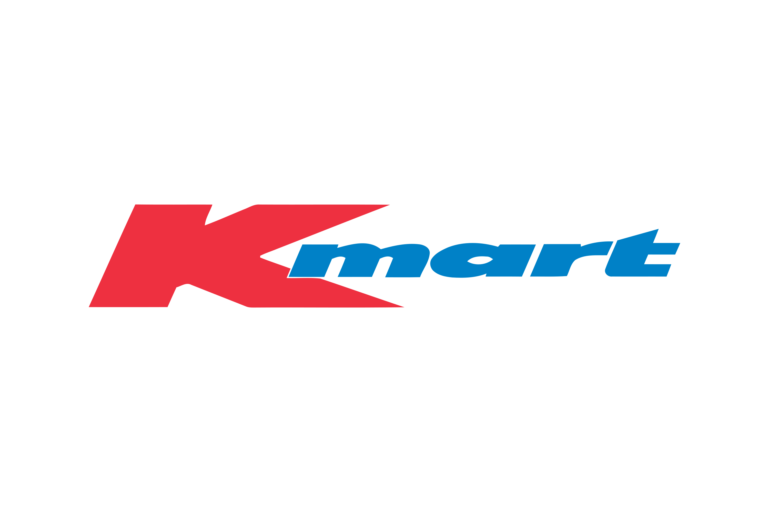

Sales Dashboard

Store
Online

Total Sales
Average Sales
$3,186,258
$707

Total Sales Over Time
 | KMART ONLINE | KMART STORE
Jan | 17665.07 | $113,131
Feb | 12622.54 | $119,908
Mar | 30766.69 | $90,021
Apr | 27919.52 | $142,764
May | 32337.62 | $92,189
Jun | 42988.65 | $145,978
Jul | 23888.63 | $109,828
Aug | 31904.03 | $120,580
Sep | 24828.08 | $108,649
Oct | 17343.39 | $106,033
Nov | 18723.63 | $73,923
Dec | 31199.5 | $96,264
Jan | 27492.12 | $80,258
Feb | 24833.15 | $85,681
Mar | 10692.77 | $105,683
Apr | 38255.05 | $88,756
May | 29125.19 | $99,078
Jun | 25348.78 | $68,440
Jul | 25256.57 | $103,032
Aug | 52893.44 | $154,884
Sep | 22345.94 | $92,874
Oct | 26766.3 | $113,683
Nov | 38143.5 | $103,374
Dec | 24775.33 | $113,134
Average Sales Over Time
 | KMART ONLINE | KMART STORE
Jan | 353.3014 | $844
Feb | 293.54744186 | $827
Mar | 530.46017241 | $652
Apr | 507.62763636 | $952
May | 557.54517241 | $720
Jun | 741.18362069 | $1,035
Jul | 487.52306122 | $763
Aug | 540.74627119 | $804
Sep | 591.1447619 | $749
Oct | 327.23377358 | $822
Nov | 374.4726 | $643
Dec | 547.35964912 | $789
Jan | 458.202 | $698
Feb | 620.82875 | $691
Mar | 274.17358974 | $826
Apr | 659.56982759 | $657
May | 448.07984615 | $729
Jun | 437.04793103 | $515
Jul | 459.21036364 | $831
Aug | 826.46 | $1,156
Sep | 446.9188 | $714
Oct | 505.0245283 | $818
Nov | 529.77083333 | $869
Dec | 393.25920635 | $820
Sales By Category
 | KMART ONLINE | KMART STORE
Party & Gift Wrap | $12,738.55 | $48,849
Stationery & Office Supplies | $15,631.69 | $51,254
Accessories | $23,548.91 | $63,909
Electronics & Entertainment | $39,203.43 | $125,503
Baby & Nursery | $45,816.30 | $174,101
Beauty & Personal Care | $81,915.97 | $278,258
Footwear | $69,084.55 | $312,539
Toys & Outdoor Play | $121,697.56 | $427,705
Home & Living | $104,554.16 | $503,470
Clothing & Fashion | $143,924.37 | $542,555

Online Vs Store Sales
 | Total
KMART ONLINE | $658,115
KMART STORE | $2,528,143

